Problem Statement
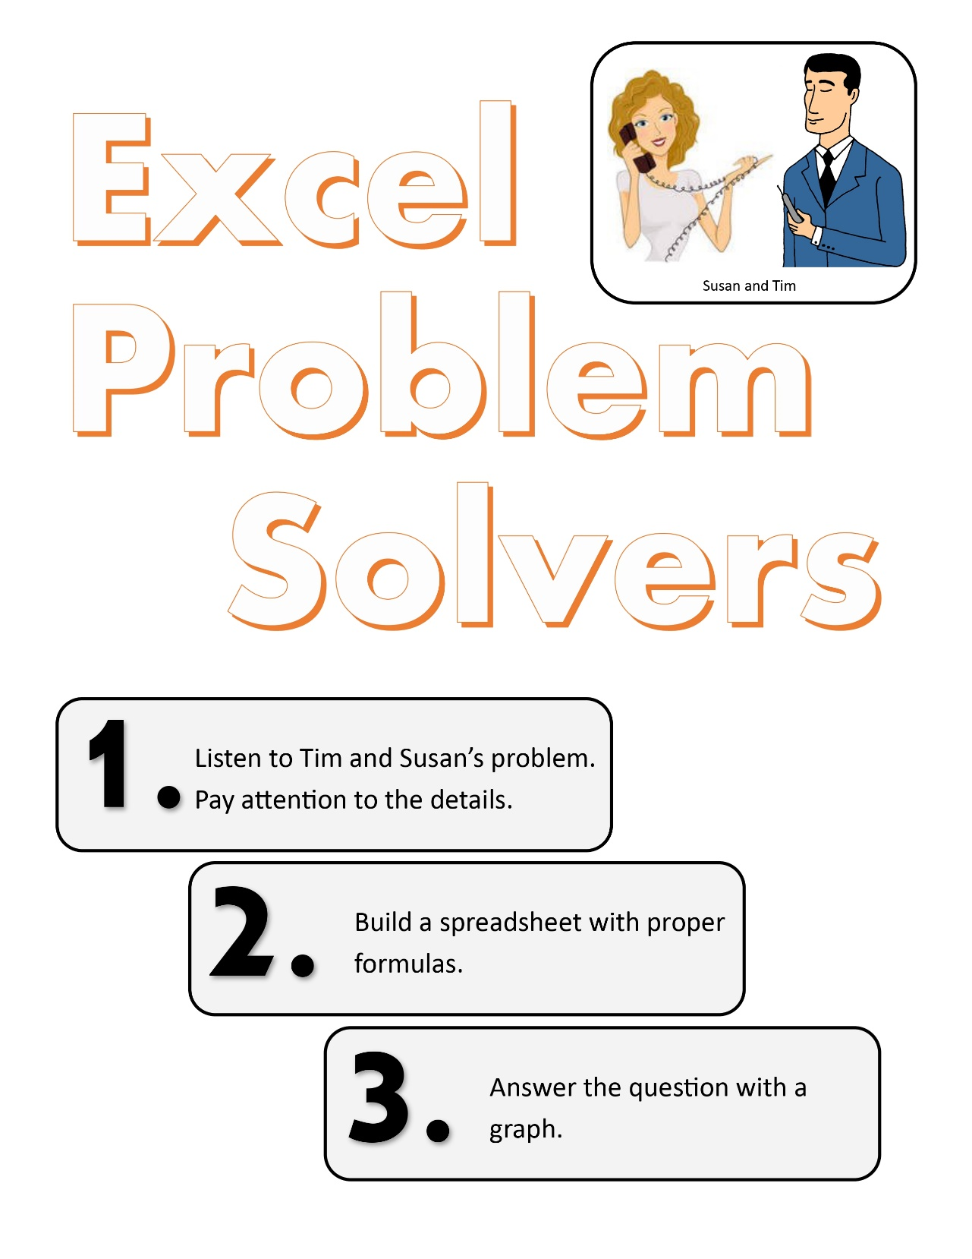
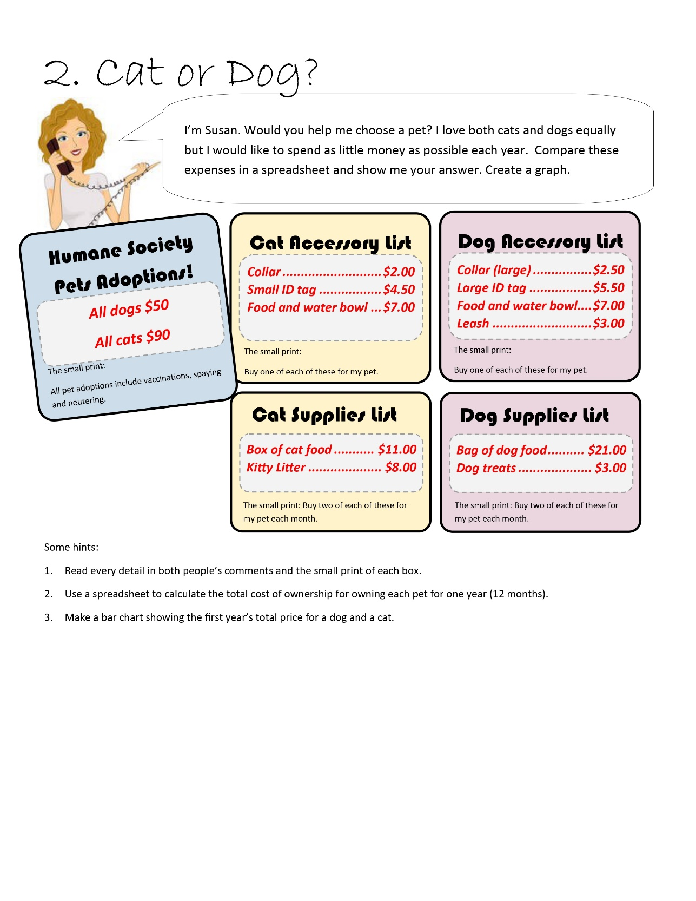

Cat or Dog
One Year Cost for Pet
 | Dog | Cat
Initial Cost
Purchase | $50.00 | $90.00
Collar | $2.50 | $2.00
Tag | $5.50 | $4.50
Bowl | $7.00 | $7.00
Leash | $3.00 | $0.00
Intial Toal | $68.00 | $103.50

Monthly Cost
Food | $21.00 | $11.00
Litter |  | $8.00
Treats | $3.00
Subtotal | $24.00 | $19.00
Monthly Total | $48.00 | $38.00
 | Dog | Cat
One Year Costs | $644.00 | $559.50

